Raw data1
Leader | P1 |  | Date | 2023-01-25
Production information
Line ID | Output Target | Output Gap | Total build | Pass | Yield
E11 | 1000 | 100 | 1100 | 1098 | 99.82%
E12 | 1300 | -100 | 1200 | 1193 | 99.42%
E14 | 800 | 75 | 875 | 870 | 99.43%

Raw data 1

Sheet3
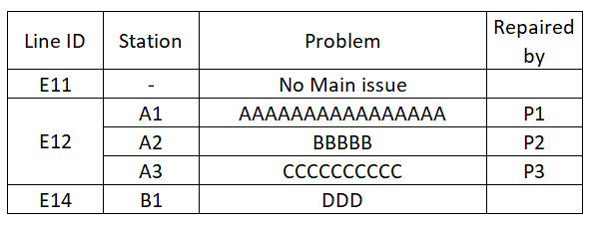
Line ID | Station | Problem | Repaired by
E11 | - | No Main issue
E12 | A1 | AAAAAAAAAAAAAAAA | P1
 | A2 | BBBBB | P2
 | A3 | CCCCCCCCCC | P3
E14 | B1 | DDD
Raw data 2
expect table

Final expect report

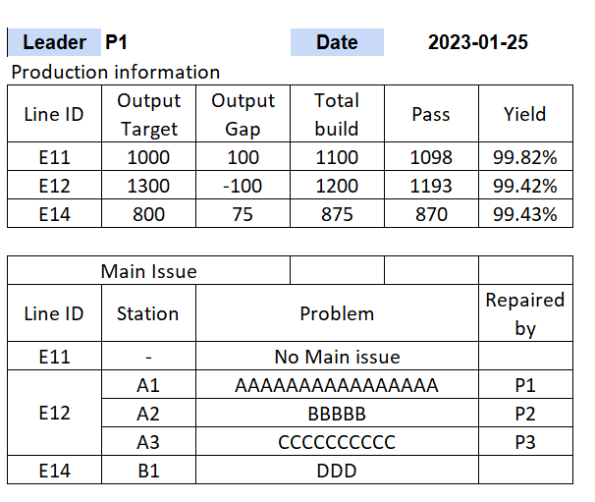

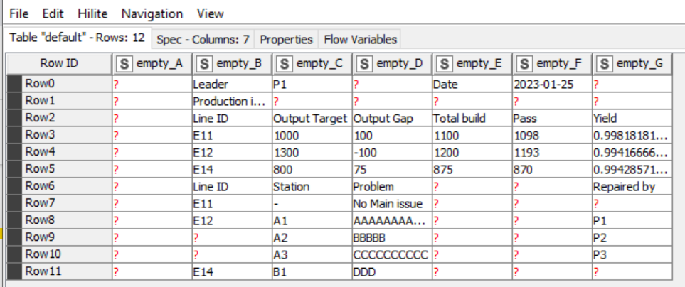

Knime report
expect Column D,E ,& F Merge
expect Row 8,9,10 Merge

